country revenue desc
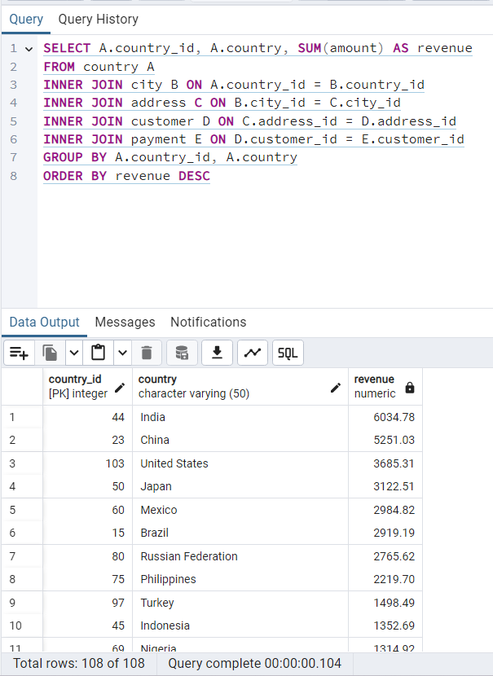
country_id | country | revenue
44 | India | 6034.78
23 | China | 5251.03
103 | United States | 3685.31
50 | Japan | 3122.51
60 | Mexico | 2984.82
15 | Brazil | 2919.19
80 | Russian Federation | 2765.62
75 | Philippines | 2219.7
97 | Turkey | 1498.49
45 | Indonesia | 1352.69
69 | Nigeria | 1314.92
6 | Argentina | 1298.8
92 | Taiwan | 1155.1
85 | South Africa | 1069.46
46 | Iran | 877.96
102 | United Kingdom | 850.96
76 | Poland | 786.16
49 | Italy | 753.26
38 | Germany | 741.24
105 | Vietnam | 676.45
100 | Ukraine | 675.53
24 | Colombia | 661.54
29 | Egypt | 659.48
104 | Venezuela | 632.43
20 | Canada | 559.7
67 | Netherlands | 557.73
86 | South Korea | 527.77
87 | Spain | 513.8
107 | Yemen | 473.93
72 | Pakistan | 473.84
82 | Saudi Arabia | 452.94
74 | Peru | 407.01
94 | Thailand | 401.08
48 | Israel | 379.13
28 | Ecuador | 369.18
12 | Bangladesh | 353.19
2 | Algeria | 349.18
34 | France | 334.12
59 | Malaysia | 330.23
93 | Tanzania | 322.22
63 | Mozambique | 315.25
101 | United Arab Emirates | 305.25
27 | Dominican Republic | 304.26
22 | Chile | 303.34
9 | Austria | 284.3
62 | Morocco | 274.35
73 | Paraguay | 273.4
13 | Belarus | 271.36
54 | Latvia | 249.43
91 | Switzerland | 248.41
52 | Kenya | 245.49
108 | Yugoslavia | 233.49
77 | Puerto Rico | 224.48
78 | Romania | 218.42
79 | Runion | 211.55
36 | French Polynesia | 205.52
39 | Greece | 204.54
89 | Sudan | 202.51
10 | Azerbaijan | 198.53
17 | Bulgaria | 194.52
51 | Kazakstan | 192.51
4 | Angola | 187.55
19 | Cameroon | 186.49
64 | Myanmar | 179.53
18 | Cambodia | 179.51
14 | Bolivia | 178.56
25 | Congo, The Democratic Republic of the | 168.58
71 | Oman | 161.56
41 | Holy See (Vatican City State) | 146.68
65 | Nauru | 143.7
90 | Sweden | 139.67
26 | Czech Republic | 132.72
61 | Moldova | 127.66
98 | Turkmenistan | 126.74
21 | Chad | 122.72
58 | Malawi | 121.73
109 | Zambia | 121.7
106 | Virgin Islands, U.S. | 121.69
40 | Greenland | 119.72
7 | Armenia | 118.75
37 | Gambia | 114.73
47 | Iraq | 111.73
43 | Hungary | 111.71
11 | Bahrain | 108.76
70 | North Korea | 107.71
16 | Brunei | 107.66
53 | Kuwait | 106.75
30 | Estonia | 105.72
42 | Hong Kong | 104.76
88 | Sri Lanka | 103.73
55 | Liechtenstein | 99.74
5 | Anguilla | 99.68
35 | French Guiana | 97.8
32 | Faroe Islands | 96.76
83 | Senegal | 95.76
66 | Nepal | 93.83
99 | Tuvalu | 93.78
57 | Madagascar | 92.79
31 | Ethiopia | 91.77
68 | New Zealand | 85.77
84 | Slovakia | 80.77
33 | Finland | 78.79
96 | Tunisia | 73.78
1 | Afghanistan | 67.82
95 | Tonga | 64.84
81 | Saint Vincent and the Grenadines | 64.82
56 | Lithuania | 63.78
3 | American Samoa | 47.85

Movies with the least revenues
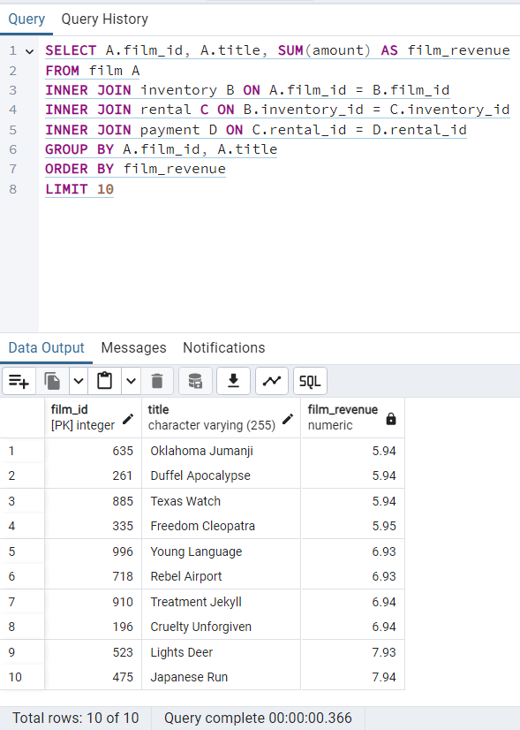
film_id | title | film_revenue
635 | Oklahoma Jumanji | 5.94
261 | Duffel Apocalypse | 5.94
885 | Texas Watch | 5.94
335 | Freedom Cleopatra | 5.95
996 | Young Language | 6.93
718 | Rebel Airport | 6.93
910 | Treatment Jekyll | 6.94
196 | Cruelty Unforgiven | 6.94
523 | Lights Deer | 7.93
475 | Japanese Run | 7.94

Movies with the most revenues
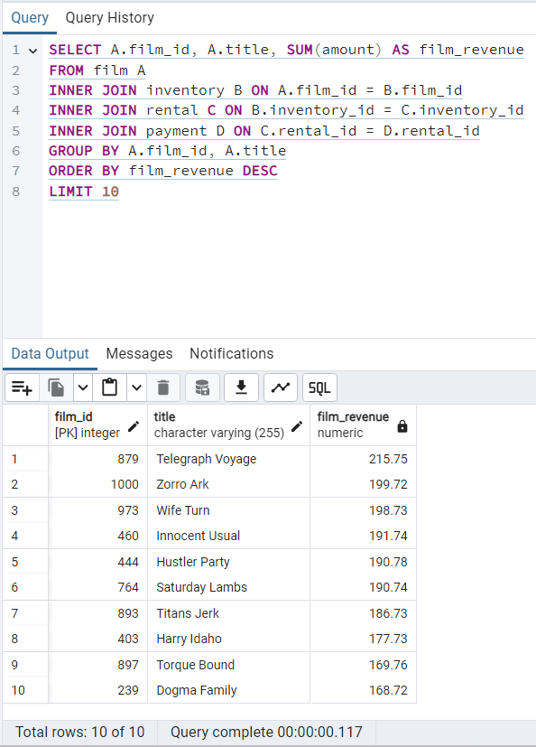
film_id | title | film_revenue
879 | Telegraph Voyage | 215.75
1000 | Zorro Ark | 199.72
973 | Wife Turn | 198.73
460 | Innocent Usual | 191.74
444 | Hustler Party | 190.78
764 | Saturday Lambs | 190.74
893 | Titans Jerk | 186.73
403 | Harry Idaho | 177.73
897 | Torque Bound | 169.76
239 | Dogma Family | 168.72

top_10_countries
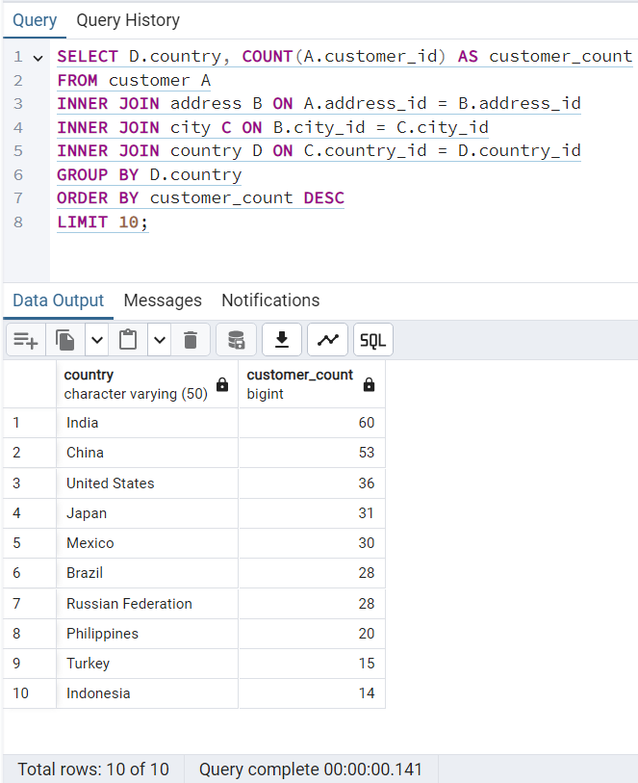
country | customer_count
India | 60
China | 53
United States | 36
Japan | 31
Mexico | 30
Brazil | 28
Russian Federation | 28
Philippines | 20
Turkey | 15
Indonesia | 14

top_10_cities
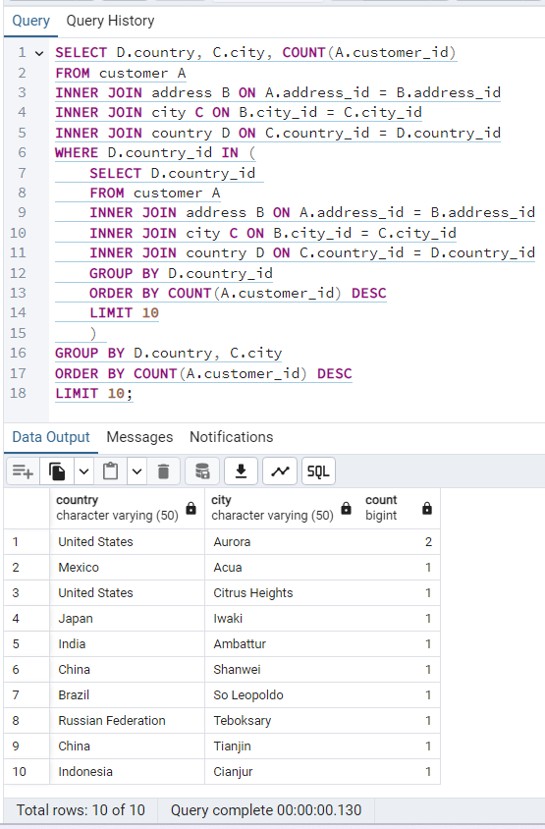
country | city | count
United States | Aurora | 2
Mexico | Acua | 1
United States | Citrus Heights | 1
Japan | Iwaki | 1
India | Ambattur | 1
China | Shanwei | 1
Brazil | So Leopoldo | 1
Russian Federation | Teboksary | 1
China | Tianjin | 1
Indonesia | Cianjur | 1

top_5_customers
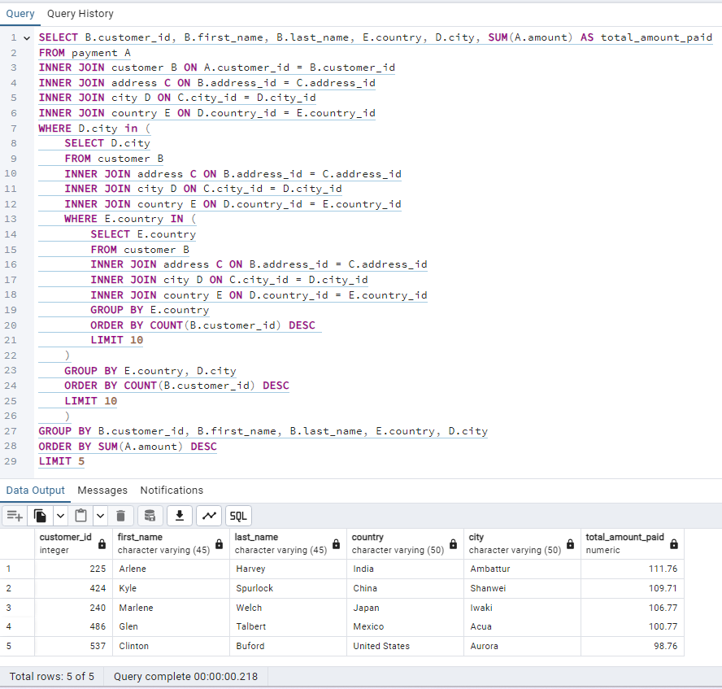
customer_id | first_name | last_name | country | city | total_amount_paid
225 | Arlene | Harvey | India | Ambattur | 111.76
424 | Kyle | Spurlock | China | Shanwei | 109.71
240 | Marlene | Welch | Japan | Iwaki | 106.77
486 | Glen | Talbert | Mexico | Acua | 100.77
537 | Clinton | Buford | United States | Aurora | 98.76

rental_duration FILM
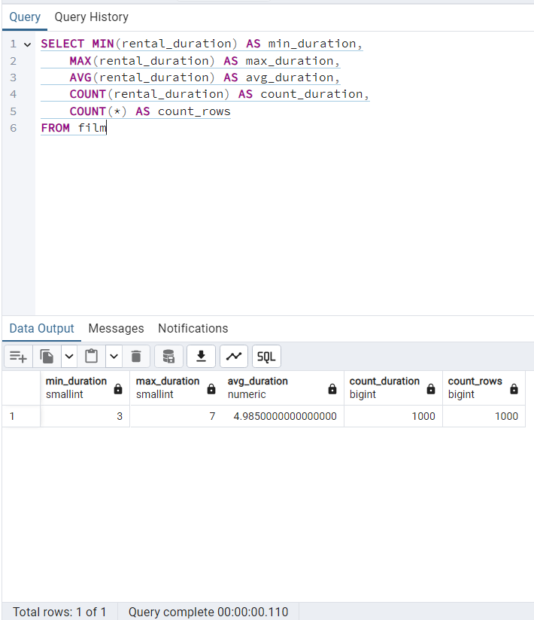
min_duration | max_duration | avg_duration | count_duration | count_rows
3 | 7 | 4.985 | 1000 | 1000

rental_rate FILM
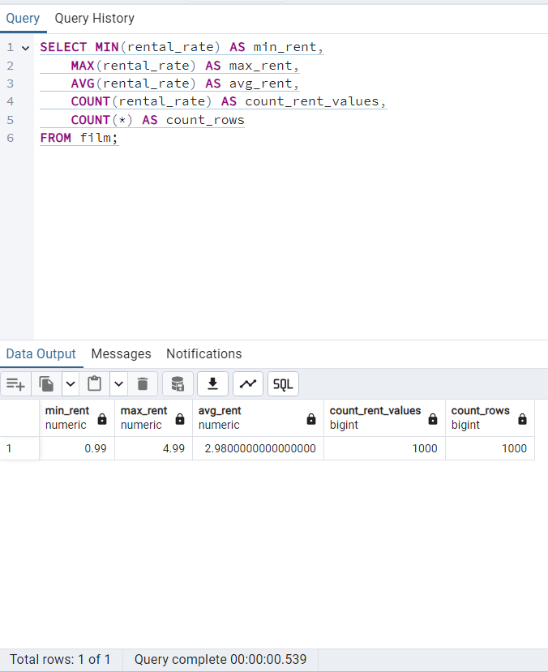
min_rent_rate | max_rent_rate | avg_rent_rate | count_rent_rate | count_rows
0.99 | 4.99 | 2.98 | 1000 | 1000

length FILM
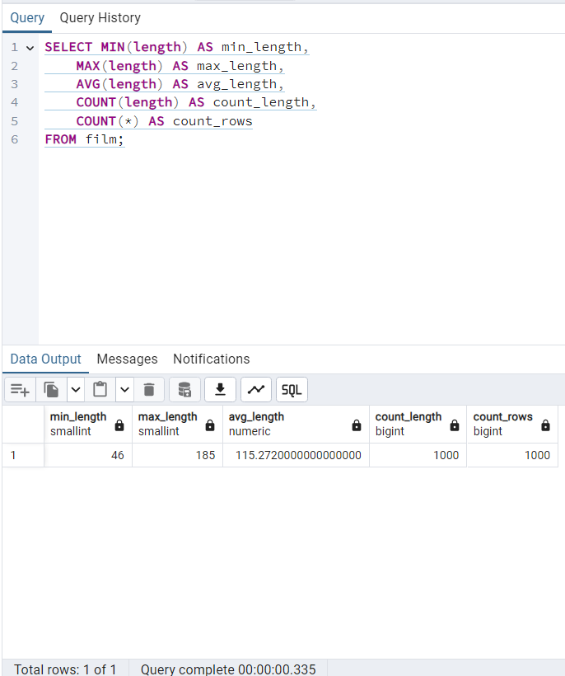
min_length | max_length | avg_length | count_length | count_rows
46 | 185 | 115.272 | 1000 | 1000

replacement_cost FILM
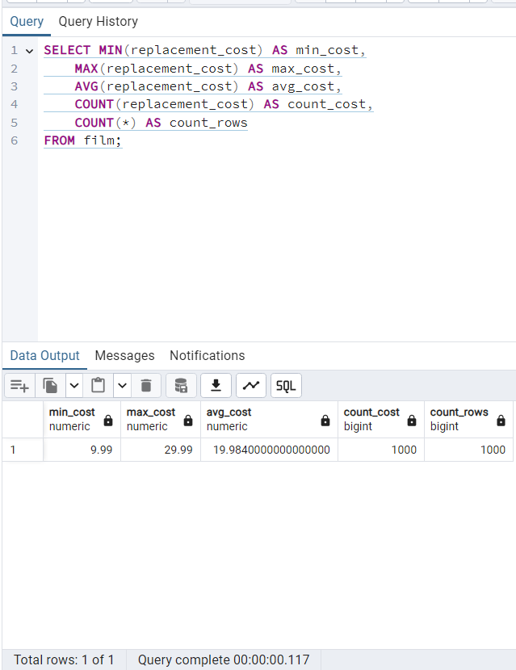
min_replacement_cost | max_replacement_cost | avg_replacement_cost | count_replacement_cost | count_rows
9.99 | 29.99 | 19.984 | 1000 | 1000

non-numerical FILM
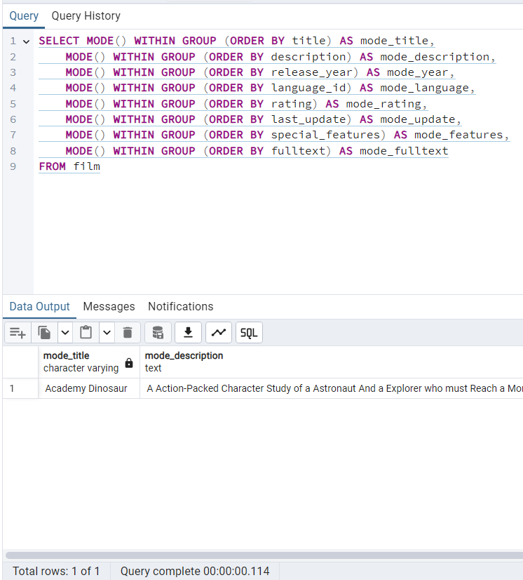
mode_title | mode_description | mode_release_year | mode_language_id | mode_rating | mode_last_update | mode_special_features | mode_fulltext
Academy Dinosaur | A Action-Packed Character Study of a Astronaut And a Explorer who must Reach a Monkey in A MySQL Convention | 2006 | 1 | PG-13 | 2013-05-26 14:50:58 | {Trailers,Commentaries,"Behind the Scenes"} | 'baloon':19 'confront':14 'documentari':5 'feminist':8,11,16 'mile':2 'must':13 'spi':1 'thrill':4

non-numerical CUSTOMER
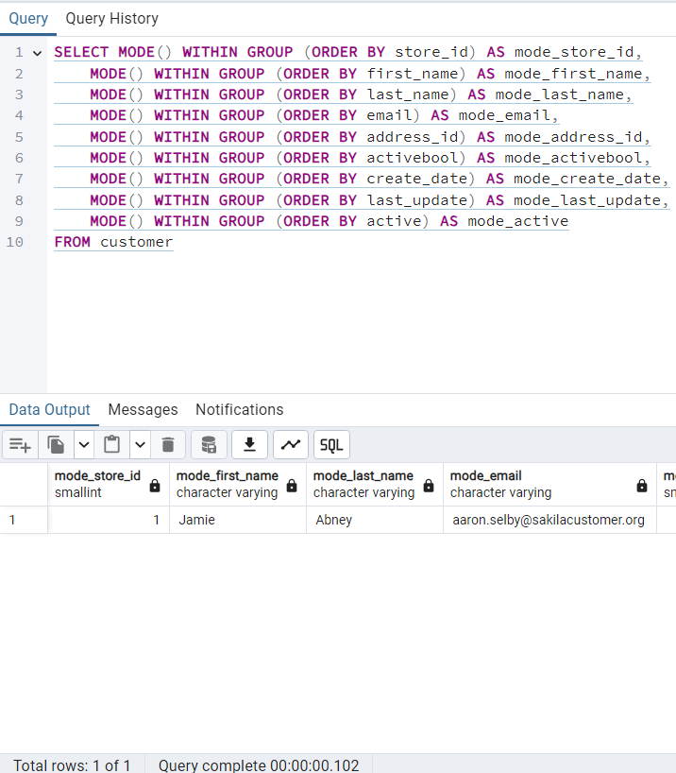
mode_store_id | mode_first_name | mode_last_name | mode_email | mode_address_id | mode_activebool | mode_create_date | mode_last_update | mode_active
1 | Jamie | Abney | aaron.selby@sakilacustomer.org | 5 | TRUE | 2006-02-14 | 2013-05-26 14:49:45 | 1

